Sheet1
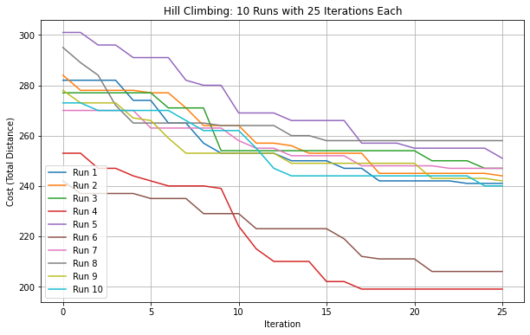
([4, 43, 5, 49, 44, 11, 34, 30, 25, 10, 26, 14, 2, 12, 41, 38, 40, 28, 13, 8, 36, 33, 37, 42, 31, 6, 22, 47, 16, 23, 7, 39, 15, 19, 9, 1, 48, 3, 21, 29, 17, 46, 18, 0, 20, 45, 24, 32, 35, 27], 199)

